EZ Invite B
EZ Invite B Bill | 2019-04-02 | East Zone Cap Fundraiser for National Teams

Bill to: | BGCB Gaviatas
 | c/o Maureen Mueller | Diana Lenzo
 | maureenm@stny.rr.com | ddlenzo@gmail.com

Total Sale | $104.00 | Collected by BGCB Gaviatas at 2019 EZ Invite B |  |  |  | 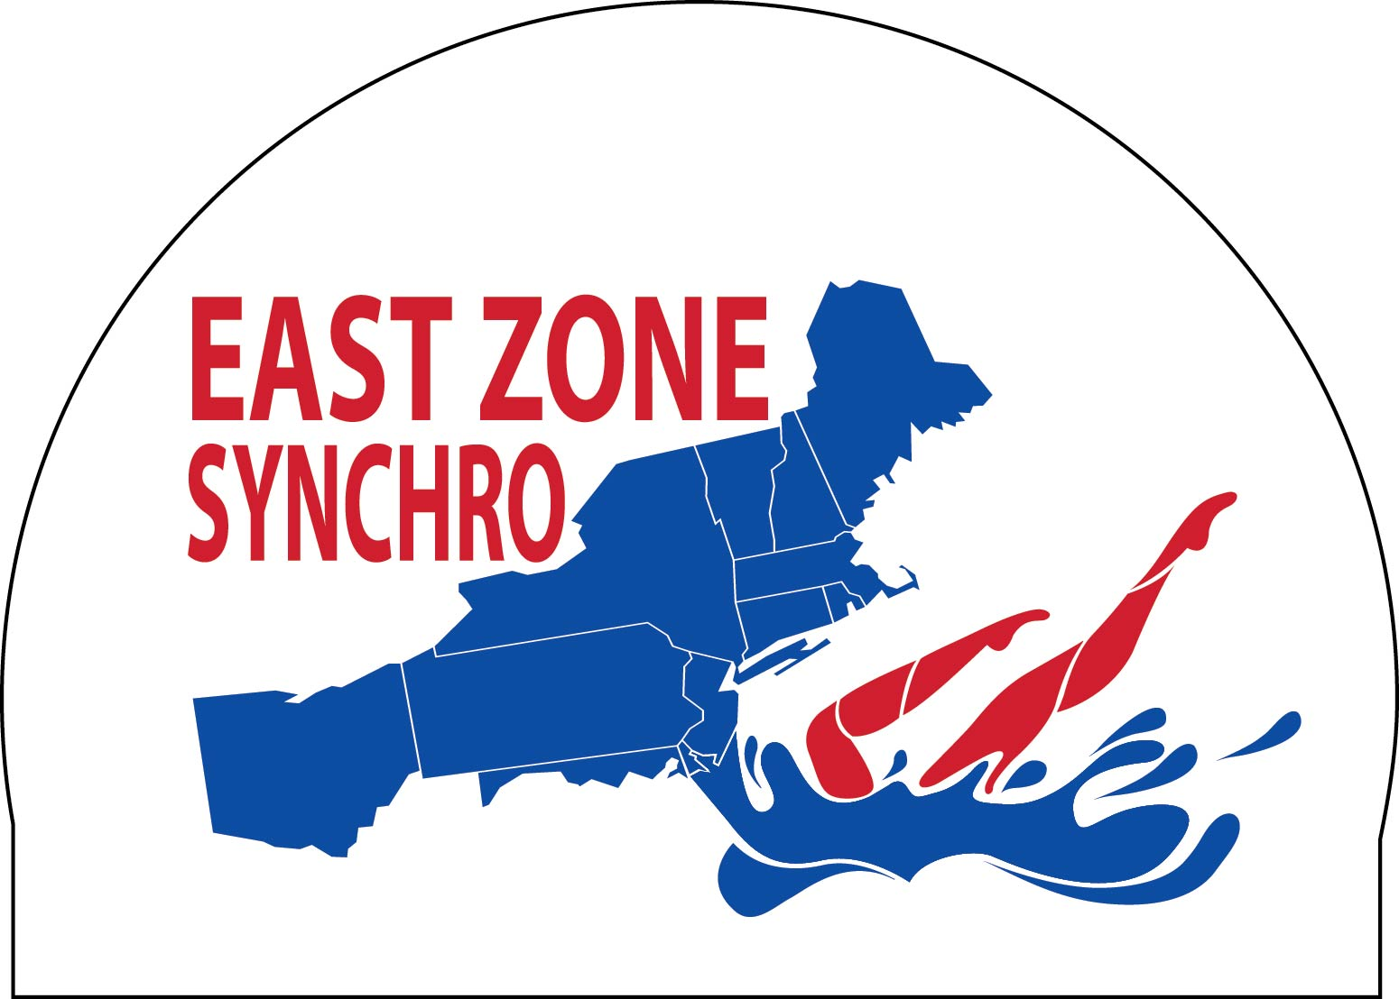

Payable to: | East Zone Synchro
 | Kris-Ann Gutenmakher
 | 110 Elizabeth St., Oradell, NJ 07649

2019 Invitational B | 2/$20 | 4 | $80.00
 | 1/$12 | 2 | $24.00
 | Total Sold | 10
 | Total Sale |  | $104.00

CHOSEN! |  | ordered | cost/percap |  |  |  | Potential Profits to National Team Fund
Option E | 1 Color cap/ 2 color print | 200 | $4.95 | $990.00 | $2,400.00 | $2,000.00 | $1,410.00 | $1,010.00
 | white cap blue/red

 | 2019 Jr/Sr Zones sales |  |  | -$168.00
 | 2019 Invitational B sales |  |  | -$104.00
 | Balance remaining |  |  | $718.00

Sheet3
EZ Jr/Sr Bill | 2019-04-02 | East Zone Cap Fundraiser for National Teams

Bill to: | Buffalo Swimkins
 | c/o MaryEllen Wiegand | laura ehrenreich
 | maryewiegand@verizon.net | lmehrenreich@gmail.com

Total Sale | $168.00 | Collected by Buffalo Swimkins at Jr/Sr Zones |  |  |  | 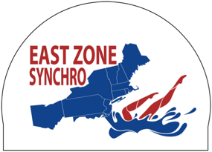

Payable to: | East Zone Synchro
 | Kris-Ann Gutenmakher
 | 110 Elizabeth St., Oradell, NJ 07649

 | Sale Description | Quantity | Sale Tally

2019 Jr/Sr Zones | 2/$20 | 6 | $120.00

 | 1/$12 | 4 | $48.00

 | Total Sold | 16
 | Total Sale |  | $168.00

CHOSEN! |  | ordered | cost/percap |  |  |  | Potential Profits to National Team Fund
Option E | 1 Color cap/ 2 color print | 200 | $4.95 | $990.00 | $2,400.00 | $2,000.00 | $1,410.00 | $1,010.00
 | white cap blue/red

 | 2019 Jr/Sr Zones sales |  |  | -$168.00
 | Balance remaining |  |  | $822.00

