Examples and help
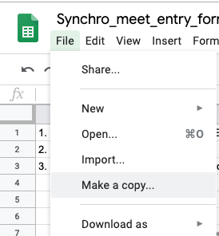
1. If you can read this, you DO NOT NEED TO ASK for access/premissions to this form!!!! This form is a Template. you need to make your own copy. (see picture --->)
2. Please do NOT insert / delete rows!
3. For a swimmer that swims in 2 Awards Groups, please create a row for each Award Group (see Amanda in the example below!), Except Intermediate and Novice.
Intermediate and Novice swimmers should be entered in one line even if they are competing in multiple (Intermediate or Novice) groups
4. Please put ALL your swimmers in the Swimmer_Entries sheet (DO NOT create another sheet!!!!!)
5. Do not add/remove/rename sheets in this form!
6. Do not leave empty lines!
7. use the comments column if needed.

If all else fails, feel free to send your comments/questions to Gil@sharonim.com

For Scoring:
1. Create a new empty Excel file
2. In this form, un hide Import_ISS_do_not_change sheet.
3. copy rows with swimmers, starting from row 3 (include columns A to T) and paste to the empty Excel (paste as values not links).
4. move to the entry form from the next club and repeat steps 2,3. paste the swimmers below the swimmers from the previous club. do not leave empty rows.
5. once you are done copying swimmers from all clubs, mark the entire sheet and in the ISS software import swimmers from Excel.

